Histogram & Measures of Shape
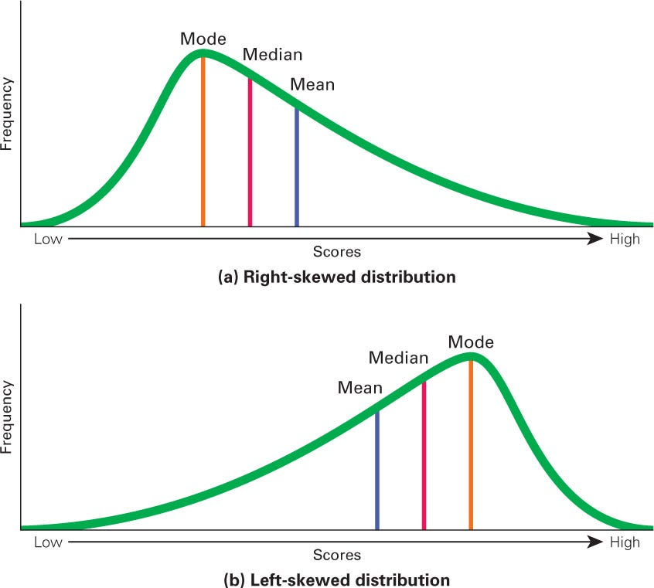
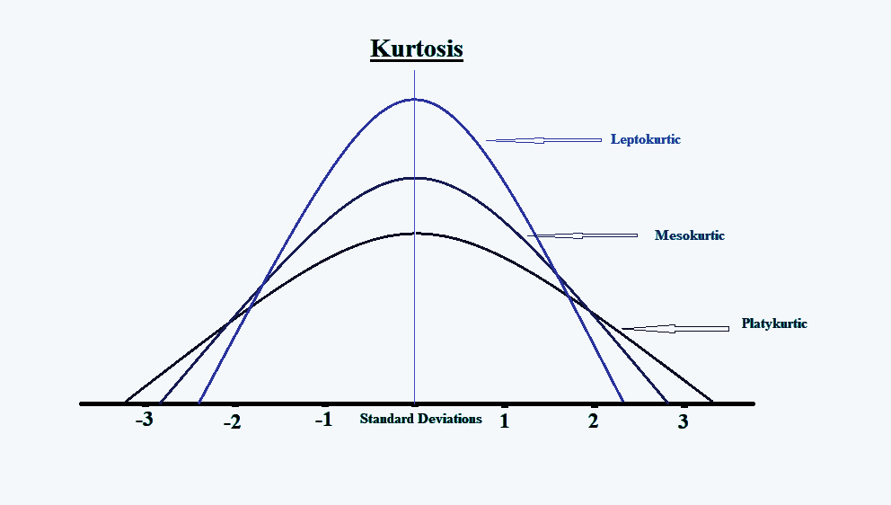
Histogram
Runs Scored by Virat Kohli
0 | 2 | 10 | 22 | 33 | 57 | 82 | 115
0 | 2 | 10 | 22 | 34 | 58 | 82 | 117 | Intervals | Bins | Bin | Frequency
0 | 2 | 11 | 22 | 35 | 59 | 86 | 118 | 0 - 20 | 0 | 0 | 10
0 | 2 | 11 | 23 | 35 | 61 | 86 | 123 | 20 - 40 | 20 | 20 | 47
0 | 3 | 12 | 23 | 37 | 62 | 87 | 127 | 40 - 60 | 40 | 40 | 33
0 | 3 | 12 | 23 | 37 | 63 | 91 | 128 | 60 - 80 | 60 | 60 | 13
0 | 3 | 13 | 24 | 37 | 64 | 94 | 133 | 80 - 100 | 80 | 80 | 16
0 | 4 | 14 | 25 | 38 | 66 | 99 | 136 | 100 - 120 | 100 | 100 | 11
0 | 5 | 15 | 26 | 38 | 66 | 100 | 139 | 120 - 140 | 120 | 120 | 13
0 | 6 | 15 | 27 | 40 | 66 | 100 | 183 | 140 - 160 | 140 | 140 | 6
1 | 6 | 16 | 28 | 43 | 68 | 102 |  | 160 - 180 | 160 | 160 | 0
1 | 7 | 16 | 28 | 44 | 68 | 102 |  | 180 - 200 | 180 | 180 | 0
1 | 7 | 18 | 30 | 46 | 68 | 105 |  |  |  | More | 1
1 | 8 | 18 | 31 | 48 | 71 | 106
1 | 8 | 18 | 31 | 49 | 77 | 107 |  | Mean | 43.413333333
2 | 8 | 19 | 31 | 53 | 77 | 107 |  | Median | 31
2 | 9 | 20 | 31 | 54 | 78 | 107 |  | Mode | 0
2 | 9 | 21 | 31 | 54 | 79 | 108
2 | 9 | 22 | 31 | 54 | 80 | 112
2 | 9 | 22 | 33 | 55 | 81 | 115

Boxplot Interpretation
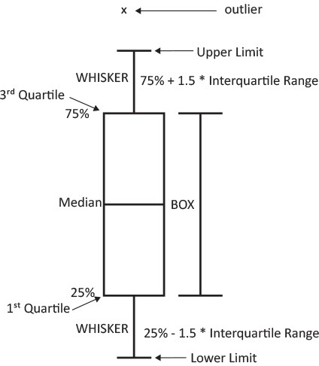
0
0 |  |  |  |  | 0 | 0 | Frequency
0 |  |  |  |  | 20 | 20 | 57
Histogram
0 |  |  |  |  | 40 | 40 | 33
0 |  |  |  |  | 60 | 60 | 13
0 |  |  |  |  | 80 | 80 | 16
0 |  |  |  |  | 100 | 100 | 11
0 |  |  |  |  | 120 | 120 | 13
0 |  |  |  |  | 140 | 140 | 6
0 |  |  |  |  | 160 | 160 | 0
1 |  |  |  |  | 180 | 180 | 0
1 |  |  |  |  | 200 | 200 | 1
1 |  |  |  |  |  | More | 0
1
1
2
2
2
2
2
2 | Mean | 43.413333333 | =AVERAGE(A1:A150)
2 | Std Dev | 40.684773905 | =STDEV(A1:A150)
2 | Variance | 1655.2508277 | =VAR(A1:A150)
2 | Median (Q2) | 31 | =MEDIAN(A1:A150) | In about 50% matches, Virat Kohli has scored 31 or less number of runs.
3 | Mode | 0 | =MODE(A1:A150)
3
3 | 1st Quartile (Q1) | 9 | =QUARTILE(A1:A150,1) | In about 25% matches, Virat Kohli has scored 9 or lesser runs
4 |  | 38 | =ROUND(((COUNT(A1:A150)/4)*1),0) | (Count/4)*1 = Index of the Q1 in the sorted Data
5 |  | 9 | =INDEX(A1:A150,38) | Value of Q1
6
6 | 3rd Quartile (Q3) | 68 | =QUARTILE(A1:A150,3) | In about 75% matches, Virat Kohli has scored 68 or less runs
7 |  | 113 | =ROUND(((COUNT(A1:A150)/4)*3),0) | (Count/4)*3 = Index of the Q3 in the sorted Data
7 |  | 68 | =INDEX(A1:A150,113) | Value of Q3
8
8 | Inter Quartile Range (IQR) | 59 | =E31-E27 | Q3 minus Q1
8
9 | Upper Limit | 156.5 | =E31 + (1.5*E35) | Q3 plus 1.5 times IQR
9 | Lower Limit | -79.5 | =E27 - (1.5*E35) | Q1 minus 1.5 times IQR
9 | Outlier | 183 | =FILTER(A1:A151, (A1:A151>E37) + (A1:A151<E38)) | Any data point beyond Upper Limit or below Lower Limit is an outlier
9 | Skewness | 0.90017629004 | =SKEW(A1:A151)
10
10 |  | 183
11
11
12
12
13
14
15
15
16
16
18
18
18
19
20
21
22
22
22
22
22
23
23
23
24
25
26
27
28
28
30
31
31
31
31
31
31
33
33
34
35
35
37
37
37
38
38
40
43
44
46
48
49
53
54
54
54
55
57
58
59
61
62
63
64
66
66
66
68
68
68
71
77
77
78
79
80
81
82
82
86
86
87
91
94
99
100
100
102
102
105
106
107
107
107
108
112
115
115
117
118
123
127
128
133
136
139
183

Stock Data
 | BEML
 | 1135.6
 | 1134.6
 | 1139.6
 | 1144.15
 | 1144.05
 | 1137
 | 1143.65
 | 1142.25
 | 1148.2
 | 1207.05
 | 1236.25
 | 1221.25
 | 1186.2
 | 1150.15
 | 1170.75
 | 1154.7
 | 1058.6
 | 1039.3
 | 1068.95
 | 1140.1
 | 1107.95
 | 1118.8
 | 1090.3
 | 1070.45
 | 1080.4
 | 1095.65
 | 1109
 | 1095.45
 | 1120.55
 | 1139.65
 | 1137.9
 | 1142.75
 | 1131
 | 1116.4
 | 1094
 | 1065
 | 1046.45
 | 1011.15
 | 1013.55
 | 1042
 | 1035.85
 | 1048.9
 | 1064.3
 | 1069.8
 | 1063.75
 | 1059.55
 | 1044.85
 | 1036.15
 | 1019.55
 | 1029.2
...
 | Glaxo
 | 1625.65
 | 1616.8
 | 1638.5
 | 1648.7
 | 1639.8
 | 1629.45
 | 1583.85
 | 1571.3
 | 1573.55
 | 1570.4
 | 1562.5
 | 1559.95
 | 1563.45
 | 1539.55
 | 1514.3
 | 1532.05
 | 1523.4
 | 1526
 | 1520.45
 | 1540.75
 | 1540.15
 | 1564.8
 | 1561.3
 | 1559.95
 | 1561.9
 | 1529.1
 | 1530.4
 | 1561.05
 | 1578.85
 | 1578.95
 | 1569.3
 | 1584.45
 | 1580.35
 | 1651.55
 | 1680.25
 | 1711.35
 | 1710.2
 | 1722.8
 | 1709.9
 | 1707.1
 | 1710
 | 1739.55
 | 1741.8
 | 1772.55
 | 1750.95
 | 1767.65
 | 1744.95
 | 1729.4
 | 1697.55
 | 1696.75
...
BEML | Glaxo
1135.6 | 1625.65
1134.6 | 1616.8
1139.6 | 1638.5
1144.15 | 1648.7
1144.05 | 1639.8
1137 | 1629.45
1143.65 | 1583.85
1142.25 | 1571.3
1148.2 | 1573.55
1207.05 | 1570.4
1236.25 | 1562.5
1221.25 | 1559.95
1186.2 | 1563.45
1150.15 | 1539.55
1170.75 | 1514.3
1154.7 | 1532.05
1058.6 | 1523.4
1039.3 | 1526
1068.95 | 1520.45
1140.1 | 1540.75
1107.95 | 1540.15
1118.8 | 1564.8
1090.3 | 1561.3
1070.45 | 1559.95
1080.4 | 1561.9
1095.65 | 1529.1
1109 | 1530.4
1095.45 | 1561.05
1120.55 | 1578.85
1139.65 | 1578.95
1137.9 | 1569.3
1142.75 | 1584.45
1131 | 1580.35
1116.4 | 1651.55
1094 | 1680.25
1065 | 1711.35
1046.45 | 1710.2
1011.15 | 1722.8
1013.55 | 1709.9
1042 | 1707.1
1035.85 | 1710
1048.9 | 1739.55
1064.3 | 1741.8
1069.8 | 1772.55
1063.75 | 1750.95
1059.55 | 1767.65
1044.85 | 1744.95
1036.15 | 1729.4
1019.55 | 1697.55
1029.2 | 1696.75
1038.85 | 1692.3
1049.25 | 1702.05
1063.1 | 1725.2
1050.2 | 1742.15
1045.1 | 1745.9
1033.85 | 1748.35
1050.45 | 1748.85
1057.6 | 1757.85
1047.95 | 1772.3
1049.6 | 1778
1059 | 1768.85
1064.15 | 1785.1
1087.85 | 1762.85
1076.45 | 1760.95
1069.6 | 1770.05
1077.05 | 1780.25
1081.3 | 1789.75
1074.65 | 1801.1
1067.45 | 1810.2
1046.3 | 1827.8
1036.45 | 1851.6
1038.55 | 1863.05
1031.25 | 1917.3
1025.6 | 1905.15
1032.95 | 1898.6
1050.4 | 1883.75
1050.9 | 1885.45
1047.05 | 1897.1
1049.4 | 1882.8
1048.05 | 1912.95
1038.05 | 1898.5
1026.7 | 1888.65
1012.2 | 1945.6
1014.85 | 1985.3
988.25 | 1942.8
1006.5 | 1996.1
995.2 | 1997.8
995 | 2057.75
1009.4 | 2132.4
1005.05 | 2140
1002.65 | 2160.45
1048.6 | 2174.4
984.85 | 2064.3
991.05 | 2085.55
995.4 | 2043.95
999.5 | 2025.9
975.7 | 2008.95
976.7 | 2008.35
963.9 | 1981.1
981.3 | 1995.9
970.55 | 2107.95
965 | 2087.9
968.25 | 2107.85
994 | 2080.45
1000.55 | 2035.2
978.05 | 2030.6
996.75 | 2028.55
996.95 | 2103.2
999.3 | 2106.3
1001.15 | 2076.9
1013.7 | 2076.2
1011.55 | 2077.5
1010.4 | 2084.7
1013.75 | 2096.7
1021.85 | 2084.95
1036.35 | 2123.25
1021.2 | 2097.6
1027.5 | 2119.55
1003.7 | 2141.9
1008.95 | 2174.55
1010.2 | 2193.2
998.3 | 2218.25
1000.6 | 2183.95
995 | 2188.6
1000.2 | 2160.2
984.4 | 2169.4
996.4 | 2135.2
1002.15 | 2133.4
999.35 | 2137.2
1001.25 | 2110.05
999.25 | 2085.6
996.2 | 2047.3
1014.25 | 2088.4
1018.2 | 2074.15
1003.95 | 2068.9
1020.35 | 2047.9
1021.25 | 2026.9
1033.5 | 2030.95
1028.15 | 2029.9
1020.55 | 2076.75
1017.5 | 2065.05
1014.65 | 2060
1014.1 | 2064.55
1008.4 | 2023.3
1015.95 | 2010.8
1030.95 | 2014.85
1027.05 | 2003
1026.15 | 1998.15
1025.45 | 2012.15
1013.65 | 2018.05
1010.7 | 1995.35
1005.6 | 1990.35
995.8 | 1958.25
992.05 | 1950.4
1009.2 | 1961.8
1009.9 | 1945.05
1016 | 1961.55
1019.1 | 1943.7
1022.45 | 1976
1020.3 | 2017.05
1021.15 | 1971.8
1020.45 | 1945.65
1022.1 | 1889.8
1002.35 | 1873.45
1004.05 | 1872.85
1009.3 | 1894
1009 | 1860.7
1013.15 | 1880.25
1061.1 | 1906.7
1134.05 | 1916.4
1195.05 | 1916.85
1188 | 1916.8
1172.3 | 1918.35
1205.95 | 1916.8
1185.1 | 1953.85
1170.3 | 1938.5
1168.1 | 1928.35
1152.6 | 1916.8
1164.8 | 1956.3
1161.35 | 2026.9
1141.1 | 2070.25
1137.85 | 2087.3
1110.55 | 2084.8
1090.8 | 2112.75
1114.9 | 2157.1
1112.95 | 2158.65
1106.05 | 2240.95
1079.15 | 2209.95
1107.45 | 2251.05
1144.3 | 2301.8
1190.25 | 2285.15
1178.1 | 2290.5
1152.4 | 2275.05
1144.65 | 2293.4
1157.9 | 2286.15
1144.8 | 2288.85
1141.65 | 2295.05
1145.35 | 2305.1
1139.35 | 2300.75
1121.7 | 2351.2
1133 | 2353
1129.6 | 2361.1
1146.35 | 2352.7
1142.45 | 2348
1130.15 | 2352.35
1131.4 | 2308.8
1124.75 | 2261.9
1094.15 | 2258.9
1123.65 | 2222.45
1110.85 | 2199.05
1100.9 | 2240.85
1128.95 | 2220.1
1136.15 | 2224.6
1133.85 | 2276.1
1135.3 | 2293.5
1120.75 | 2302.1
1127.6 | 2255.75
1125.85 | 2254.5
1103.55 | 2228.3
1099.85 | 2233.05
1104 | 2270.35
1100.45 | 2277.2
1093.5 | 2227.7
1085.85 | 2261.85
1077.65 | 2240.4
1065 | 2208.5
1041.5 | 2098.05
990.7 | 2107.25
980.2 | 2118.15
982.9 | 2130.6
1018.4 | 2170.25
1026.15 | 2163.8
1009.2 | 2131.25
1005.6 | 2131.35
1023.45 | 2150.9
1004.95 | 2146.25
1000.3 | 2130.55
998 | 2135.85
999.7 | 2156.2
1004.95 | 2196.4
991.8 | 2193
989 | 2195.05
992.3 | 2201.85
997.75 | 2200.25
992.65 | 2201.4
993.1 | 2205.3
994.3 | 2212.1
979.55 | 2226.9
977.6 | 2238.75
984.05 | 2281.3
998.8 | 2324.9
1032.25 | 2337.5
1028.2 | 2342.6
1023.75 | 2347.8
1006.65 | 2381.75
993.95 | 2400.2
987.05 | 2376.75
967.25 | 2390.1
962.2 | 2383.6
967.35 | 2391.7
954.15 | 2343.35
949.7 | 2331.35
945.2 | 2314.95
939.9 | 2313.7
940.8 | 2301.95
942.85 | 2257.1
949.15 | 2280.6
943.55 | 2241.4
929.35 | 2269.6
905.5 | 2234.75
887.7 | 2278.55
870.1 | 2284.65
829.3 | 2265
819.7 | 2257.35
813.95 | 2242.2
794.65 | 2230.35
759.85 | 2233.5
675.3 | 2241.75
584.85 | 2197.8
589.2 | 2210.55
614.45 | 2213.9
651 | 2201.1
660.7 | 2222.3
668.75 | 2218.5
679.65 | 2230.95
658.55 | 2221.7
668 | 2233.35
663.95 | 2235.9
660.4 | 2221.65
633.6 | 2218.9
613.5 | 2221.35
620.45 | 2208.55
642.85 | 2198.05
646.6 | 2178
643.7 | 2166.55
637.55 | 2149.6
641 | 2162.1
662.45 | 2182.75
654.2 | 2187.75
665.95 | 2171.95
671.45 | 2122.4
673.4 | 2085.4
675.4 | 2045.25
669.95 | 2099.3
660.05 | 2039.8
662.6 | 2043.5
661.45 | 2039.75
679.95 | 2024.75
685.9 | 2096.2
698.3 | 2097.45
692.15 | 2097.35
691.25 | 2080.45
693.55 | 2095.45
681.95 | 2062.95
705.95 | 2090.9
737.6 | 2121.55
749.9 | 2112.55
750.6 | 2129.9
759.25 | 2148.85
736.05 | 2177.9
722.85 | 2147.75
729.95 | 2134.55
728.15 | 2104.9
724.3 | 2120.4
715.9 | 2119
723.05 | 2114.15
725.35 | 2111.55
727.7 | 2109
724.3 | 2115
720.9 | 2193.9
708.35 | 2227.9
694.85 | 2257.65
670.6 | 2273
662.8 | 2292.5
674.05 | 2336
657.65 | 2255.65
668.7 | 2294.35
665.8 | 2293.4
661.35 | 2303.9
660.95 | 2334.2
657.55 | 2340.45
659.3 | 2339.5
652.15 | 2372.2
646.55 | 2359.9
640.45 | 2335.4
638.8 | 2320.15
643.55 | 2333.6
630.35 | 2333.55
622.85 | 2341.35
613 | 2339.3
625.25 | 2328.65
650.85 | 2336.8
646.85 | 2312.2
653.1 | 2321.5
612.45 | 2360.65
603.75 | 2366.7
604 | 2394.55
598.45 | 2369
599 | 2359.3
599.65 | 2360.05
599.5 | 2364.7
596.35 | 2402.3
588.25 | 2433.2
583.75 | 2434.45
584.95 | 2445.2
579.75 | 2459.9
587.95 | 2350.85
572.7 | 2327.6
559.4 | 2320.75
541.2 | 2317.45
552.15 | 2316.85
568.15 | 2338.5
578 | 2326.55
583.5 | 2331.95
592.75 | 2357.4
580.2 | 2350.15
589.35 | 2346.1
594.45 | 2356.1
610.05 | 2335.55
607.15 | 2331.7
609.25 | 2353.15
602.75 | 2318.15
598.35 | 2329.4
590.15 | 2330.35
594.2 | 2325.85
595.8 | 2326.3
589.45 | 2345.15
583.2 | 2301.25
581.5 | 2311.2
576.75 | 2297.15
568.9 | 2320.45
570.1 | 2316.05
575.6 | 2345.4
557.35 | 2315.5
560.6 | 2302.6
546.45 | 2381.1
549.3 | 2344.9
541.2 | 2307.35
533.9 | 2292.25
529.1 | 2275.6
522.05 | 2280.95
500 | 2200.9
490.8 | 2136.55
480.35 | 2112.15
485.35 | 2118.45
482.3 | 2158.45
481.65 | 2139.65
451.7 | 2135.45
444.75 | 2147.9
435.9 | 2151.95
418.85 | 2146.45
440.25 | 2158.2
449.75 | 2166.35
448.25 | 2149.65
446.45 | 2104.7
439.8 | 2125.25
452.55 | 2108.4
463.4 | 2119.6
463.85 | 2130.6
470.15 | 2129.9
468.65 | 2130.75
472.25 | 2123.35
468.9 | 2117.15
455.2 | 2094.35
457.75 | 2076.95
473.7 | 2059.7
482.4 | 2043.85
478.5 | 2059.55
481.35 | 2052.75
474.4 | 2067.6
480.75 | 2058.5
491.7 | 2069.75
469 | 2051.35
455.05 | 2004.65
449.5 | 2022.8
472.25 | 2064.8
463.65 | 2093.95
461.9 | 2085.8
457.8 | 2091
458.95 | 2098.95
455.95 | 2100.4
449.6 | 2091.7
468.1 | 2098.85
489.6 | 2083.25
487.1 | 2059.55
490.8 | 2047.05
488.8 | 2058.25
514.7 | 2061.95
508.8 | 2075.05
491.2 | 2071.25
492.9 | 2093.35
484.05 | 2091.4
481.95 | 2106.05
482 | 2087.2
484.65 | 2097.45
495.65 | 2102.9
525.8 | 2120.65
529 | 2057.6
523.05 | 2103.5
516.65 | 2102.55
531.8 | 2085.95
543.45 | 2113.5
548.05 | 2045.25
538.35 | 2007.75
528.3 | 2027.65
520.75 | 2029.7
499.9 | 2003.55
487.35 | 1983.2
494.15 | 1993.45
488.25 | 1998.75
482.95 | 1968.65
472.85 | 1950.75
449.05 | 1902.5
462.2 | 1949.8
484 | 1967.2
497.5 | 1953.7
500.2 | 1943.55
504.45 | 1917.1
504.3 | 1900.15
515.7 | 1925.7
518.2 | 1913.15
517.3 | 1909.85
507.55 | 1899.3
504.2 | 1863.15
485.45 | 1864.15
480.1 | 1869.6
479.3 | 1860
471.55 | 1875
460.1 | 1840.15
462.05 | 1847.8
468.5 | 1849.5
470 | 1868.55
463.45 | 1920.85
463.6 | 1913.35
469.25 | 1919.55
466.9 | 1926.05
469.3 | 1927.8
455 | 1938.5
455.15 | 1945.15
459.4 | 1981.85
466.3 | 1986.35
472.75 | 1985.55
471.1 | 1965.05
476.3 | 1951.25
486 | 1957.55
497.15 | 1959.5
507.1 | 1969.05
513.35 | 1965.55
516 | 1959.7
517.05 | 1963.25
517.8 | 1983.65
528.05 | 1983.35
508.9 | 1979.9
533.8 | 1965.8
528.3 | 1962.75
529.75 | 1958.9
529.75 | 1944.85
528.75 | 1936.35
529.55 | 1946.35
520.3 | 1934.45
530.3 | 1940.05
534.8 | 1939.7
532.1 | 1960.5
548.2 | 1959.95
573.3 | 1982.7
549.15 | 2038.3
555.75 | 2025.25
570.95 | 2039.25
577.85 | 2034.55
572.7 | 2035.05
587.2 | 2042.25
594.55 | 2106.25
608.75 | 2086.55
634 | 2086.35
637.7 | 2088.1
640.6 | 2083
644.65 | 2074.6
653.95 | 2079.55
643.1 | 2065.75
667.45 | 2080.6
665.6 | 2074.85
664.7 | 2087.4
662.45 | 2084.4
659.7 | 2073.5
666.9 | 2075.25
670 | 2080.05
660.55 | 2083.4
667.8 | 2084
688.95 | 2082.9
683.5 | 2086.7
688.75 | 2087.05
684.3 | 2116.45
689.4 | 2140.45
669.25 | 2144.9
660.7 | 2163.75
682.05 | 2207.6
671.5 | 2190.2
678.05 | 2171.75
669.85 | 2189.6
656.2 | 2200.2
624.95 | 2256.8
610.7 | 2223.75
653.65 | 2316.55
621.55 | 2277.6
618.4 | 2289.4
619.05 | 2255
608.7 | 2210.75
580.75 | 2218.45
565.85 | 2185.45
582.35 | 2172.85
584.5 | 2192.2
579.75 | 2174.75
573.95 | 2210.2
576.05 | 2251.9
561.9 | 2214.75
553.9 | 2240.9
554.75 | 2238.95
546.05 | 2211.65
547.4 | 2190.65
532.7 | 2179.9
529.75 | 2177.95
531.35 | 2179.9
533.6 | 2144.05
526.95 | 2172.95
523.75 | 2170.75
521.8 | 2137.3
513 | 2127.6
523.45 | 2100.3
519.45 | 2082.95
528.75 | 2054.35
527.45 | 2050.1
505.6 | 2056.35
517.95 | 2028.8
508.45 | 2028.4
515.55 | 2063.95
474.25 | 2049.65
482.65 | 2042.3
468.25 | 1990.15
462.15 | 1964.85
458.95 | 1981.35
455.9 | 1995.05
454.4 | 2004.8
436.05 | 1988.05
428.85 | 2024.4
430.4 | 2010
417.4 | 1973.5
417.45 | 1985.6
409.65 | 2010
410.25 | 1985.55
407.1 | 1990.15
383.85 | 1988.8
374 | 1958.75
384 | 2033.65
377 | 2048.3
370.3 | 2019.7
372.2 | 2012.65
370.65 | 2000
370 | 2001
378.55 | 2033.7
381.6 | 2022.35
378.45 | 2013.85
381 | 2016.7
382.7 | 2017.3
379.65 | 2003.25
375 | 2007.1
377.35 | 2019.3
394.05 | 2029.85
405.85 | 2038.65
408.85 | 2022.15
411.3 | 2019.3
407.4 | 2016.45
389.95 | 2015.7
388.75 | 2039.85
385.4 | 2061.45
380 | 2050.75
376.9 | 2040.65
370.65 | 2059.8
365.45 | 2056.7
362.6 | 2066.55
364.05 | 2079.75
363.45 | 2072.1
354.7 | 2073.85
350.85 | 2110.85
337.7 | 2150.05
320.1 | 2150.75
311.4 | 2130.6
316.1 | 2124.4
318.5 | 2109.95
323.25 | 2104.35
325.45 | 2123.95
319 | 2111
317.8 | 2086.15
310.3 | 2100.2
309.85 | 2087.85
300.7 | 2105.3
287.4 | 2109.05
289.9 | 2100.15
291.7 | 2100.25
291.05 | 2094.85
283.05 | 2089
277.05 | 2085.05
278.05 | 2089.1
279.75 | 2115.1
270.45 | 2093.75
273.15 | 2089.05
278.05 | 2085.65
281.55 | 2096.25
277.35 | 2093.2
275.85 | 2099.95
278.75 | 2099.1
283.65 | 2100.4
284.95 | 2100.3
278.75 | 2100
280.1 | 2099.85
279.35 | 2115.25
278.85 | 2190.75
275.6 | 2224
274 | 2175.1
271.75 | 2120.05
278.3 | 2091.4
311.55 | 2006.05
316.55 | 1999.35
305.8 | 1985.6
313.1 | 1972.95
314.3 | 1980.35
313.75 | 1987.2
310.5 | 1998.55
305 | 1958.05
308.3 | 1981.05
310.55 | 2003.15
330.1 | 1980.3
331.05 | 1952.1
329.85 | 1943.05
323.25 | 1936.65
322.2 | 1951.1
315.45 | 1962.4
318.6 | 1968.95
318.35 | 1969.7
315 | 1977.6
309.85 | 1991.9
308.6 | 1994.7
314.15 | 1991.5
309.1 | 1996.45
303.7 | 2000
308.9 | 1995.85
310.05 | 2003.8
303.9 | 1999.85
301.2 | 2004.4
293.8 | 2005
289.25 | 2005
293.15 | 2005.05
295.4 | 1998.2
292.8 | 1998.95
292.05 | 2001.45
292.05 | 2000
291.75 | 2004.65
288.2 | 2005.5
277.4 | 2010.9
282.85 | 1999.05
278.5 | 1985.15
276.1 | 1997.2
274.85 | 1996.2
271.95 | 1999.55
271.45 | 2000.6
272.8 | 2016.2
272 | 2002.25
272.35 | 2049.8
272.7 | 2050.2
276.05 | 2055.95
283.7 | 2050.1
288.25 | 2021.9
291.6 | 2041.35
308 | 2050.95
311.2 | 2050.95
306.65 | 2050.05
305.5 | 2050.15
298.6 | 2050.35
295.15 | 2050.15
291.2 | 2074.55
288.75 | 2065.6
285.15 | 2069.8
282.85 | 2069.95
284.9 | 2070.25
281.1 | 2087.6
279.75 | 2078.4
279.5 | 2082.25
279.85 | 2085.7
279.4 | 2113.25
279.2 | 2119.25
279.3 | 2168.05
284 | 2145.7
286.25 | 2140.15
285 | 2144.05
283.75 | 2160.05
284.15 | 2181.6
284.05 | 2186.6
281.8 | 2190.05
278.55 | 2190.25
275.2 | 2190.45
277.3 | 2188.95
277.5 | 2200.9
276.4 | 2198.5
275.85 | 2203.05
277.15 | 2187.7
278.3 | 2173.95
276.1 | 2148.8
272.55 | 2102.25
267.25 | 2055.8
265.8 | 2054.1
269.1 | 2043.1
266.7 | 2051.65
265.9 | 2052.9
265.45 | 2048.8
265.4 | 2043.5
261.75 | 2037
259.45 | 2079.2
259.8 | 2070.2
263.1 | 2079.1
261.45 | 2098.9
253.7 | 2077.35
250.65 | 2094.2
250.55 | 2098.3
245.25 | 2096.7
240.6 | 2096.95
243.5 | 2097.1
243 | 2106.6
243.75 | 2119.05
243.05 | 2099.6
250.65 | 2099.65
248.9 | 2101.75
241.4 | 2097.95
235.65 | 2097.85
224.45 | 2110.95
218.05 | 2098.9
211 | 2099.6
210.15 | 2111.2
209.15 | 2111
206.85 | 2110.05
208.1 | 2116
206.15 | 2126.45
203.45 | 2134.4
197.5 | 2133.25
193 | 2117.55
186.6 | 2119.75
179.7 | 2160.4
172.55 | 2150.8
162.4 | 2151.35
152.9 | 2160.6
148.5 | 2169.15
142.25 | 2168.6
140.4 | 2189.85
146.95 | 2205.25
153.1 | 2222
165.7 | 2229.9
171.3 | 2268.55
170.4 | 2200.95
172.8 | 2201.65
163.65 | 2200.1
156.95 | 2200.5
161 | 2217.55
161.9 | 2204.4
160.4 | 2201.6
159.45 | 2204.8
164.35 | 2200.1
163.65 | 2225.15
163.75 | 2204.9
164.95 | 2207.05
167.3 | 2204.15
168.45 | 2203.35
164.5 | 2204.05
163.7 | 2216.65
160.65 | 2262.3
160.95 | 2269.75
159.75 | 2278.9
167.45 | 2309.65
173.3 | 2398.05
175.25 | 2344.7
168.95 | 2310.15
170.35 | 2323.35
172 | 2303.3
167.1 | 2322.4
166.35 | 2328.7
167.95 | 2303.95
171.05 | 2271.1
186.4 | 2317.45
185.55 | 2282.55
182.65 | 2278.7
177.65 | 2287.85
165.4 | 2282.35
165.3 | 2273.5
166.3 | 2272.1
167.45 | 2266.05
167.95 | 2272.75
183.3 | 2293
175.5 | 2498.05
173.05 | 2666.15
172.25 | 2757.9
171.9 | 2683.45
170.15 | 2706.15
169.95 | 2637.75
165.65 | 2514.45
163.45 | 2424.65
157.75 | 2506.4
153.25 | 2470.5
159.05 | 2434.25
157.65 | 2449.65
163.8 | 2439.85
166.2 | 2467.9
157.05 | 2505.75
152.4 | 2484.75
151.1 | 2424.9
151.95 | 2396.4
149.6 | 2330.8
149.85 | 2329.7
155.15 | 2334.4
163.2 | 2476.9
159.7 | 2479.2
162.65 | 2618.8
163.05 | 2619.95
161.3 | 2551.7
161.95 | 2530.1
165.1 | 2513.75
161.6 | 2494.8
164.45 | 2480.2
163.4 | 2553.55
166.6 | 2579.8
163.6 | 2601
169.2 | 2575.65
172.85 | 2544.75
175.65 | 2527.1
170.6 | 2494.5
170.75 | 2482.3
166.5 | 2449.95
164.9 | 2436.25
158.25 | 2453.85
153.55 | 2449.65
148.15 | 2374.8
143.45 | 2368.15
141.65 | 2348.55
134.8 | 2282.85
135.35 | 2261.5
130.4 | 2320.45
132.4 | 2402.25
143.1 | 2331.85
144.75 | 2285.15
145.45 | 2277.8
141.85 | 2291.75
136.05 | 2265
129.15 | 2249.05
129.8 | 2237.65
129.2 | 2246.65
131.65 | 2274.8
147.05 | 2289.2
147.6 | 2311.5
139.6 | 2256.65
136 | 2263.25
140.5 | 2293.45
139.55 | 2350.9
141.45 | 2349.85
143.55 | 2290.4
147.45 | 2268.8
150.05 | 2253.85
147 | 2258.8
148.95 | 2322.5
150.7 | 2415.1
153.15 | 2402.4
152.8 | 2358.8
149.9 | 2352.9
146.6 | 2350.15
149.15 | 2349.45
154.7 | 2350.15
144.15 | 2465.6
144 | 2393.35
143.8 | 2402.3
144.85 | 2430.05
145.85 | 2432.2
143.2 | 2438
140.15 | 2468.05
141.2 | 2475.1
151.4 | 2473.3
176.55 | 2475
173 | 2493.95
167.4 | 2480.75
169.65 | 2486.25
173.1 | 2489.85
170.7 | 2480.2
168.55 | 2479.45
168.85 | 2478.95
167.05 | 2481
169.4 | 2479.4
172 | 2479.65
177.75 | 2480.05
174.9 | 2479.9
174.2 | 2419.25
171.6 | 2419.65
169.55 | 2419.45
171.4 | 2434.85
186.9 | 2435.15
187.65 | 2431.35
187.35 | 2481.45
189.3 | 2461.55
195.5 | 2482.4
195.35 | 2501.1
189.15 | 2489.9
183.25 | 2487.8
177.25 | 2474.3
180.05 | 2470.05
181.2 | 2410.2
183.65 | 2410.3
184.75 | 2416.2
185.55 | 2420.05
182.55 | 2414
180.9 | 2405.8
179.75 | 2405.95
182.45 | 2405.5
180.8 | 2396.35
179.95 | 2390.05
182.45 | 2389.95
182.95 | 2495.7
195.75 | 2523.25
194.4 | 2594.35
189.9 | 2572.4
196.3 | 2557.75
208.35 | 2522.6
215.3 | 2510.8
209.1 | 2489.2
212.3 | 2469.65
207.35 | 2432.15
197.7 | 2460.15
204.2 | 2925.6
206.4 | 2949.55
203.7 | 2943.15
205.85 | 2937.25
210.05 | 2930.75
234.8 | 2936.6
240.85 | 2951.95
244.1 | 2954.6
239.4 | 2958.1
241.95 | 2975.25
236.05 | 2998.3
237.05 | 2990.45
227.1 | 2986.05
220.2 | 2986.15
221.45 | 2985.05
223.2 | 2979.05
212.85 | 2974.2
208.55 | 2961.85
203.5 | 2965.15
206.8 | 2984.7
210.05 | 2978.15
216.25 | 2978.05
215.65 | 2971.3
207.5 | 2977.25
209.15 | 2977.9
209.5 | 2977.85
208 | 2974.7
207.55 | 2978.3
206.3 | 2983.05
194.3 | 2977.4
194.85 | 2978.7
197.95 | 2973.65
186.7 | 2978.35
189.45 | 2984.1
183.3 | 2986.35
205.25 | 2984.85
198.5 | 2982.6
195.95 | 2969.9
195.4 | 2972
198.2 | 2981.9
198 | 2982.85
198.7 | 2983
194.45 | 3003.7
196.7 | 3008.65
197.3 | 3013.4
198.9 | 3017.6
197.2 | 3009.25
198.2 | 3017.45
203.65 | 3028.05
208.2 | 3030.9
205.5 | 3036.5
208.7 | 3045.75
206.95 | 3045.15
208.85 | 3053.05
208.75 | 2966.45
208.6 | 2744.8
216.25 | 2676.45
228.55 | 2648.35
239.4 | 2508.8
237.1 | 2441.9
245.6 | 2477.75
262.4 | 2533.75
260.55 | 2605.75
266.7 | 2651.9
273.5 | 2650.5
272.7 | 2637.5
269.5 | 2568.9
267.1 | 2596.4
290.05 | 2552.9
287.9 | 2550.15
288.75 | 2550.15
292.15 | 2573
289.25 | 2588.75
292.15 | 2573.2
288.4 | 2580.9
300.2 | 2589.95
304.65 | 2571.1
334.15 | 2562.85
325.85 | 2548.55
338.75 | 2545.25
398.95 | 2534.95
430.15 | 2536.4
399.7 | 2500.95
399.85 | 2503.85
395.95 | 2491.55
398.15 | 2489.25
404.5 | 2482.35
410.45 | 2457.1
399.95 | 2442
391.4 | 2419
394.2 | 2430.45
387.5 | 2466.3
398.6 | 2449.4
393.65 | 2420.65
398.65 | 2380.55
396.3 | 2376.45
392.15 | 2402.95
416.2 | 2386.95
410.3 | 2383.2
446.25 | 2435.55
456.6 | 2437.75
448.75 | 2459.45
466.9 | 2501.25
559.5 | 2504.05
568.95 | 2525
588.85 | 2549.55
604.8 | 2556.2
594.15 | 2516.1
610.4 | 2484.45
583.25 | 2453
605 | 2428.6
612.5 | 2453.25
652.85 | 2434.75
671.05 | 2461.65
670.2 | 2449.4
660.7 | 2446.25
688.05 | 2456.3
738.5 | 2490.8
778.35 | 2475.35
813.95 | 2494.85
796.05 | 2481.35
778.1 | 2514.7
751.05 | 2488.25
763.35 | 2478.55
773.8 | 2477.85
795.45 | 2477.05
810.25 | 2462.55
780.15 | 2477.9
803.9 | 2485.3
850.05 | 2486.75
866.75 | 2473.75
824.1 | 2463.9
807.2 | 2490.7
796.3 | 2501.6
782 | 2499.7
789.25 | 2533.45
778.4 | 2551.95
776.9 | 2549.1
815.7 | 2551.45
774.95 | 2508.55
736.25 | 2508.5
710.85 | 2481.5
675.35 | 2500.4
641.6 | 2488.2
662.5 | 2506.7
651.5 | 2499.95
684.05 | 2505.25
698.65 | 2491.25
707.5 | 2487.65
690.45 | 2472.75
659.85 | 2487.2
649 | 2482.25
633.6 | 2482.3
609.8 | 2491.45
618.6 | 2492.75
630.5 | 2495.55
611.25 | 2482.7
640.05 | 2480.9
669.3 | 2488.95
684.95 | 2491.85
671.3 | 2506.1
644.6 | 2500.6
619.25 | 2497.4
618.25 | 2518.7
587.35 | 2494.25
558.4 | 2491.75
583.6 | 2489.3
569.35 | 2492.05
561.7 | 2505.15
552.55 | 2501.7
545.25 | 2488.65
542.6 | 2479.95
515.5 | 2481
541.25 | 2497.4
568.3 | 2488.65
596.7 | 2493.95
626.5 | 2499.95
638.2 | 2494.2
612.45 | 2488.65
654.7 | 2503.2
662.5 | 2537.65
648.3 | 2521.8
620.15 | 2509
682.15 | 2512.25
699.8 | 2504.6
687.55 | 2524.65
652.15 | 2497.1
663.3 | 2504.1
675.95 | 2510.3
658.95 | 2500.85
667.05 | 2510.75
647.25 | 2539.9
628 | 2665.1
580.8 | 2685.5
593.95 | 2705.3
611.25 | 2764.05
614.95 | 2826.75
609.55 | 2803.1
576.9 | 2886.9
582 | 2807.6
596.3 | 2775.85
585.75 | 2718.8
582.15 | 2739.9
577.6 | 2744.3
549.9 | 2687.85
550.85 | 2702.25
557.9 | 2707.2
653.7 | 2716.45
654.45 | 2709.55
648.1 | 2704.1
682.35 | 2700.15
662 | 2701.45
661.75 | 2679.5
672.15 | 2705.8
677.45 | 2720
679.2 | 2732.8
672 | 2760.25
681.85 | 2790.85
731.05 | 2799.55
740.45 | 2766.05
727.7 | 2843.5
712.25 | 2840.35
728 | 2849.25
702.35 | 2853.1
710.65 | 2849.75
714 | 2899.4
706.8 | 2926.3
706.95 | 2944.3
717.85 | 2939.8
693.2 | 2873.15
700.2 | 2907.75
699.1 | 2933.7
710.3 | 2933.8
701.5 | 2972.8
743 | 3172.1
790.85 | 3210.5
830.6 | 3190.1
810.7 | 3193.95
775.7 | 3213.7
781.9 | 3159.2
800.1 | 3146
762.15 | 3091.05
749.35 | 3108.85
728.2 | 3062.5
672.9 | 2941.5
685.05 | 2876.1
710.7 | 2980.15
687.85 | 2986.25
693.7 | 2984.95
680.45 | 3075.05
689.35 | 3120.85
698.35 | 3117.85
700.25 | 3156.8
750.95 | 3187.3
793.8 | 3198.45
789.7 | 3169.9
785.55 | 3131.9
774.55 | 3136.15
758.35 | 3151.1
792.35 | 3180.1
790 | 3207.5
793.45 | 3192.65
873 | 3192.8
871.65 | 3183.95
887.7 | 3193.1
887.85 | 3175.15
919.35 | 3205.1
926.4 | 3173.8
910.2 | 3168.95
915.65 | 3159.05
913.45 | 3154
912.25 | 3343.05
924.35 | 3445.5
913 | 3389.7
908.55 | 3444.55
905.05 | 3390.2
925.65 | 3383.2
937.25 | 3337.4
913.8 | 3349.45
912.35 | 3301.55
902.35 | 3295.95
855.4 | 3287.95
866.35 | 3322.55
959.4 | 3295.55
933.1 | 3253.4
922.85 | 3266.4
955.9 | 3247.6
990.85 | 3245.05
989.35 | 3221.3
980.05 | 3184.8
989.6 | 3131.05
986.45 | 3119.6
981.7 | 3105.1
962.95 | 3098.9
979.85 | 3099.95
976 | 3109.25
977.15 | 3090.4
980.35 | 3110.9
1037 | 3139.6
1040.35 | 3273.25
1006.3 | 3314.9
1019.4 | 3343.9
1013.35 | 3359.35
1015.8 | 3302.05
1022.6 | 3304.75
1021.4 | 3286.4
1100.8 | 3261.6
1107.55 | 3278.1
1094.5 | 3264.15
1056.15 | 3255.05
1041.4 | 3283.15
1058.2 | 3252.75
1025.25 | 3283.85
1020.3 | 3262.75
1009 | 3274.15
1066.6 | 3285.2
1097 | 3425.65
1139.2 | 3353.25
1161.35 | 3360.1
1163.3 | 3358.9
1159.05 | 3359.5
1168.8 | 3340.85
1158.45 | 3314.3
1135.95 | 3349.75
1098.05 | 3342.95
1065.1 | 3312.75
1091.6 | 3273.45
1067.2 | 3198.4
1062.65 | 3190.5
1022 | 3199.85
1025.25 | 3197.2
994.45 | 3062.65
929.7 | 2996.05
931.2 | 3038.85
966.3 | 3140.05
980.5 | 3183.4
1001.2 | 3175.25
1026.5 | 3235.5
949.1 | 3198.1
869.2 | 3173.25
881.65 | 3185.5
907.2 | 3187.45
878.9 | 3193
914.25 | 3195.4
920.9 | 3225.4
924.55 | 3240.2
940 | 3279.45
943.3 | 3251.4
946 | 3209.5
934.65 | 3210.75
945.4 | 3192.15
939.9 | 3197.75
947.8 | 3191.5
944.9 | 3167.6
977.25 | 3200.85
1037.15 | 3228.1
1059.05 | 3247.25
1038.3 | 3297.75
1061.35 | 3218.6
1135.95 | 3183.9
1186.1 | 3199.1
1183.95 | 3180.4
1215.95 | 3194.45
1219.25 | 3224
1227.7 | 3209
1241.95 | 3233.35
1223 | 3258.6
1238.15 | 3279.25
1255.25 | 3325.4
1251.05 | 3313.55
1245.65 | 3296.9
1259.8 | 3277.3
1263.55 | 3269.55
1240.4 | 3261.15
1208.1 | 3263.4
1216.75 | 3287.6
1196.5 | 3287.1
1211 | 3348.1
1240.45 | 3323.45
1300.95 | 3352
1328.3 | 3347.4
1323.3 | 3353.55
1350.35 | 3406.35
1312.2 | 3460.95
1311.5 | 3417
1326.4 | 3403.65
1348.1 | 3410.25
1347.35 | 3417.15
1357 | 3423.95
1424.7 | 3420.9
1474.1 | 3418.7
1497.05 | 3395.75
1541.6 | 3378.9
1502.95 | 3436.9
1515.05 | 3403
1481.9 | 3388.6
1454.2 | 3382.3
1486.95 | 3392.35
1478.55 | 3445.05
1507.75 | 3531.75
1519.6 | 3522.3
1549.9 | 3592.5
1558.5 | 3694.9
1546.8 | 3754.05
1519.95 | 3730.55
1487.55 | 3669.85
1407.7 | 3616.9
1415.1 | 3612.4
1381.15 | 3626.9
1377 | 3602.75
1373.3 | 3679.7
1354.1 | 3652.1
1363.45 | 3664.6
1338.45 | 3620.15
1320.65 | 3604.15
1310.95 | 3587.95
1206.9 | 3409.1
1256.1 | 3382.25
1266.8 | 3377.5
1291.2 | 3370.8
1263.75 | 3393.45
1296.9 | 3397.25
1233.35 | 3379.5
1217.9 | 3366.25
1235.5 | 3389.2
1214.75 | 3368.6
1187.05 | 3345.05
1190.4 | 3323.1
1222.15 | 3319.85
1200.65 | 3350.9
1189.65 | 3333.75
1181.45 | 3327
1150.5 | 3325.5
1147.05 | 3321.55
1171.35 | 3349.3
1223.95 | 3348.5
1235.8 | 3347.65
1246.8 | 3346.8
1261.85 | 3371.55
1243.4 | 3317.4
1211.7 | 3325.75
1242.6 | 3359.55
1243.8 | 3363.95
1250.1 | 3354.9
1280.75 | 3373.55
1268.15 | 3387.9
1260.4 | 3365.75
1245.8 | 3319.3
1220.85 | 3318.45
1218.85 | 3307.75
1239.15 | 3300.15
1225.3 | 3304.65
1224.7 | 3323.55
1220.15 | 3315.75
1241.35 | 3300.1
1246.8 | 3303.5
1237.65 | 3321
1213.9 | 3298.5
1201.35 | 3282.65
1206.9 | 3282.2
1174.95 | 3276.75
1165.55 | 3310.15
1129.4 | 3240
1109.1 | 3245.8
1100.1 | 3231.75
1098.05 | 3209.25
1108.65 | 3212.45
1127.55 | 3231.35
1110.65 | 3140.2
1115.2 | 3171.75
1093.3 | 3154.25
1101.7 | 3129.15
1090.1 | 3129.1
1047.7 | 3124.65
1041.8 | 3151.85
1068.85 | 3198.75
1054.15 | 3232.4
1056.8 | 3255.15
1068.05 | 3284.65
1125.5 | 3278.2
1132.65 | 3296.25
1127.7 | 3293.5
1099.6 | 3305.7
1077.65 | 3269.85
1107.8 | 3284.8
1100.25 | 3276.8
1077.6 | 3281.6
1051.7 | 3270.25
1066.4 | 3250.45
1069.55 | 3244.8
1076.4 | 3304.1
1090.7 | 3314.1
1123.1 | 3299.4
1216.9 | 3297.3
1263 | 3275.35
1249.85 | 3278.15
1263.15 | 3269.95
1262.1 | 3297.2
1285.9 | 3295.45
1287.65 | 3279.2
1295.35 | 3297.05
1280.8 | 3324.2
1281.1 | 3314.05
1300.7 | 3294.85
1276 | 3258.2
1271.9 | 3277.8
1256.4 | 3277.05
1209.4 | 3233.3
1214.75 | 3295.5
1224.5 | 3230.6
1228.55 | 3270.05
1215.45 | 3294.1
1200.55 | 3233.1
1162.8 | 3207.45
1117.15 | 3162.25
1114.1 | 3204.4
1096.5 | 3142.85
1073.05 | 3068.75
1098.9 | 3159.65
1101.75 | 3184.1
1084.35 | 3230.65
1063.35 | 3229.6
1049.4 | 3236.4
1048 | 3297.2
1041.65 | 3262.2
1003.2 | 3208.1
996.1 | 3226.8
1028.95 | 3306.3
1037.2 | 3296.6
1011 | 3243.7
1000.9 | 3244.7
969.15 | 3202.2
937.95 | 3222.25
983.15 | 3215.6
959.25 | 3179.8
954.55 | 3217.15
940.65 | 3205.2
971.55 | 3223.05
1040.55 | 3228.3
1014.55 | 3227.3
1017.4 | 3213.8
977.95 | 3147.8
952.75 | 3146.1
945.45 | 3157.4
990.2 | 3196
1029.5 | 3249
1044.75 | 3198.5
1053.25 | 3251.35
1058.55 | 3204
1056.1 | 3249.35
1038 | 3230.95
1035.5 | 3244.85
1034.65 | 3259.9
1030.25 | 3277.5
1030.85 | 3325.05
1024.7 | 3366.4
1017.9 | 3399.6
1068.75 | 3457.5
1091.5 | 3539
1090.9 | 3695.7
1054.75 | 3698.05
1035.55 | 3676.1
1032.95 | 3772.95
1044.1 | 3814.75
1028.45 | 3811.1
1016.6 | 3758.05
975.15 | 3705.6
941.9 | 3720.45
918.7 | 3675.3
888.2 | 3683.2
882.4 | 3677.65
904.85 | 3675.85
941.55 | 3737.45
952.55 | 3713.45
947.2 | 3710.5
932.8 | 3703.1
939.35 | 3666.55
918.1 | 3664.05
931.45 | 3745
939.15 | 3768.9
918.95 | 3746.7
920.95 | 3731.4
918.5 | 3672.55
916.15 | 3626.2
897.75 | 3627.7
892.9 | 3609.4
873 | 3582.25
908.05 | 3592.1
916.75 | 3533.85
912.95 | 3536.75
916.95 | 3467.65
899.65 | 3415.1
901 | 3435.4
902.6 | 3417.6
898.9 | 3388.7
874.85 | 3345.2
862.4 | 3390.9
849.5 | 3378.3
819.35 | 3403.55
817.45 | 3436
826.7 | 3505.7
854.25 | 3528.35
884.5 | 3572.25
870.35 | 3554.45
846.15 | 3532.3
841.4 | 3533.9
827.95 | 3538.6
833.5 | 3516.75
835.45 | 3524.8
869.25 | 3519.6
869 | 3504.6
863.6 | 3496.95
851.45 | 3498.55
850.3 | 3491.15
848.5 | 3519.3
839 | 3483.8
835.75 | 3527.45
867.6 | 3498.85
858.5 | 3514.3
846.7 | 3457.55
843.1 | 3416.2
830.5 | 3475.25
840.8 | 3490.15
840 | 3503.85
852.75 | 3499.75
854.1 | 3487.4
876.4 | 3468.9
898.2 | 3503.1
906.2 | 3495.15
893.35 | 3519.3
885.85 | 3487.8
892.35 | 3519.6
885.4 | 3512.6
880.9 | 3505.4
938.7 | 3522.05
942.15 | 3458.95
937.3 | 3412.4
937.95 | 3428.45
960.2 | 3401.1
957.7 | 3396.85
982.45 | 3399.1
983.9 | 3410.1
975.45 | 3390.85
992.15 | 3366.4
1004.05 | 3346.5
1013.7 | 3314.95
1017.35 | 3222.55
1001.05 | 3198.5
973.35 | 3142.65
991.15 | 3094.25
1037.75 | 3140.5
1020.4 | 3121.1
1002.3 | 3108.2
1011.15 | 3063.5
987.1 | 3119.8
992.15 | 3118.85
1009.05 | 3050.9
1022.3 | 3168.45
1027.25 | 3143.05
1039.15 | 3121.6
1020 | 3075.6
1024.35 | 3081.95
1033.1 | 3051.15
1037.45 | 3012.65
1056.35 | 2981.7
1059.05 | 2979.25
1066.2 | 3010.45
1065.85 | 3033.95
1066.2 | 2985.15
1079.35 | 2974.05
1066.45 | 3000.05
1082.15 | 3010.6
1082.85 | 3003.4
1073.3 | 3001.05
1046.85 | 2986.35
1025.15 | 2957.25
900.15 | 2968.25
922.05 | 2826.45
909.95 | 2841.5
905 | 2828.8
899.65 | 2810.55
910.9 | 2794.85
914.95 | 2805.25
919 | 2798.35
904.55 | 2822.9
908.85 | 2839.75
874.85 | 2807.25
876.05 | 2780.95
901.75 | 2820.1
910.15 | 2868.35
903.35 | 2874.6
912.25 | 2918.9
908.25 | 2919.6
906.55 | 2927.3
912.3 | 2937.65
945.5 | 2956.25
927.2 | 2975.4
933.65 | 2971.1
932.1 | 2977.25
940.55 | 2980.4
927.85 | 2966.35
928 | 2961.8
935.1 | 2952.25
914.9 | 2924.95
920.65 | 2924.85
941.05 | 2910.1
939.4 | 2943.65
924.9 | 2856.2
914.9 | 2820.8
891.55 | 2818.3
877.45 | 2800.75
887.45 | 2786.7
909.65 | 2722.05
869.95 | 2654.55
909.05 | 2611.7
887.7 | 2643.9
863.15 | 2658.3
863.45 | 2669.45
821.65 | 2695.5
821.8 | 2711.6
807.85 | 2689.5
785.05 | 2610.1
786.05 | 2656.3
786.3 | 2665
805.05 | 2678.5
825.6 | 2725.75
837.5 | 2684.3
843.05 | 2714.2
830.65 | 2683.7
827.95 | 2721.55
839.5 | 2773.5
873 | 2770.2
863.55 | 2734.65
915.4 | 2739.45
927.4 | 2738.05
906.05 | 2735.75
912.3 | 2735.85
897.35 | 2739.5
926.65 | 2741.25
916.55 | 2712.3
914.6 | 2712.95
906.2 | 2709.95
924.7 | 2724.35
963.7 | 2713.5
971.55 | 2727
950.25 | 2723.5
975.7 | 2701.75
974.4 | 2702.15
986.05 | 2727.9
1000.6 | 2729.8

357.42986982 | 540.72412531

127756.11184 | 292382.57969

Probability Basic Concept
Probability is chance of an event.
There are 2 types of probabilities: Discrete Probability Distribution & Continuous Probability Distribution
 |  |  |  |  | 0 | 0.25 | 0.5 | 0.75 | 1
If I roll a die, the possible outcomes are as below: |  |  |  | 0.33333333333 | Unlikely/ |  | Equal Chance |  | Certain/
Outcomes | Probabilities |  |  |  | Impossible Events |  |  |  | Most likely events
1 | 0.16666666667 |  | Event = Number greater than 4 | 0.5
2 | 0.16666666667
3 | 0.16666666667 |  | Event = Prime Number
4 | 0.16666666667
5 | 0.16666666667
6 | 0.16666666667

I have a fair coin and I toss the coin 10 times. |  |  | What is the probability that if I toss a coin 10 times, I will get 7 or less than 7 heads??
 |  |  | 0.9453125
Head | Tail
0.5 | 0.5 |  | What is the probability that if I toss a coin 10 times, I will get 4 or greater than 4 heads??
 |  |  | 0.828125
Number of Heads
0 | 0.0009765625
1 | 0.009765625
2 | 0.0439453125
3 | 0.1171875
4 | 0.205078125
5 | 0.24609375
6 | 0.205078125
7 | 0.1171875
8 | 0.0439453125
9 | 0.009765625
10 | 0.0009765625
 | 1

Count of Heads | Count of Tails | Prob of Heads
0 | 10 | 0.0009765625
1 | 9 | 0.009765625
2 | 8 | 0.0439453125
3 | 7 | 0.1171875
4 | 6 | 0.205078125
5 | 5 | 0.24609375
6 | 4 | 0.205078125
7 | 3 | 0.1171875
8 | 2 | 0.0439453125
9 | 1 | 0.009765625
10 | 0 | 0.0009765625
 |  | 1

0 | 0.0009765625
1 | 0.009765625
2 | 0.0439453125
3 | 0.1171875
4 | 0.205078125
5 | 0.24609375
6 | 0.205078125
7 | 0.1171875
8 | 0.0439453125
9 | 0.009765625
10 | 0.0009765625

Iris Data
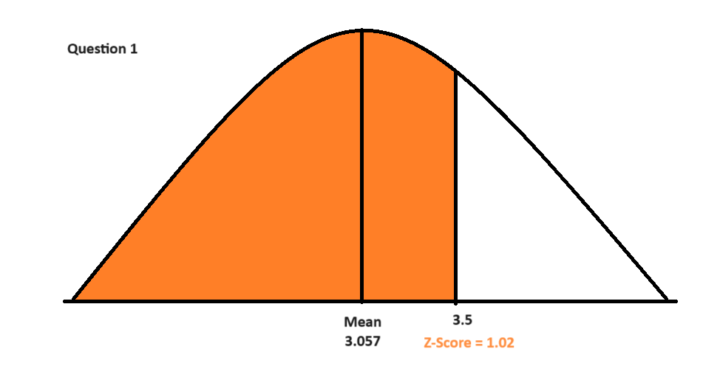
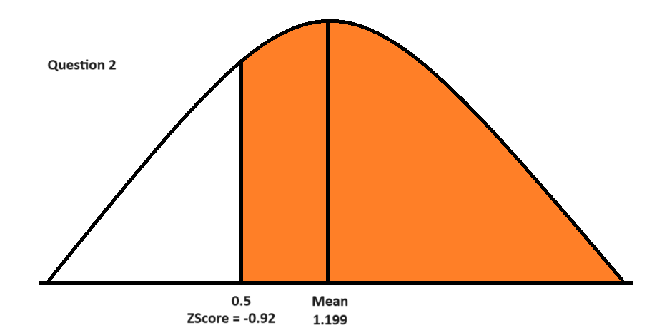
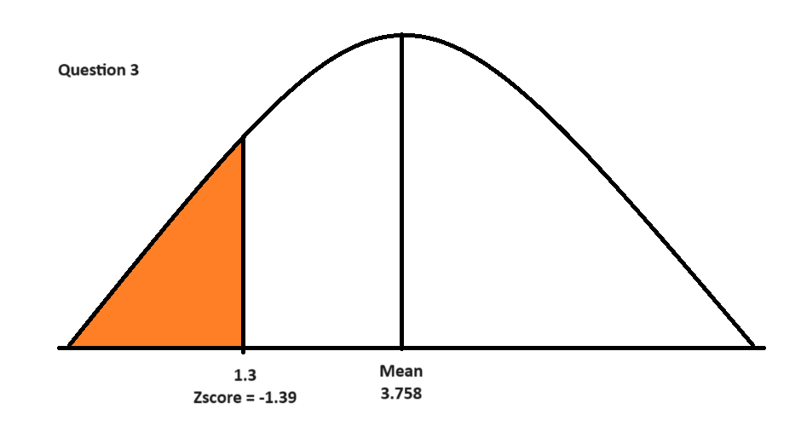
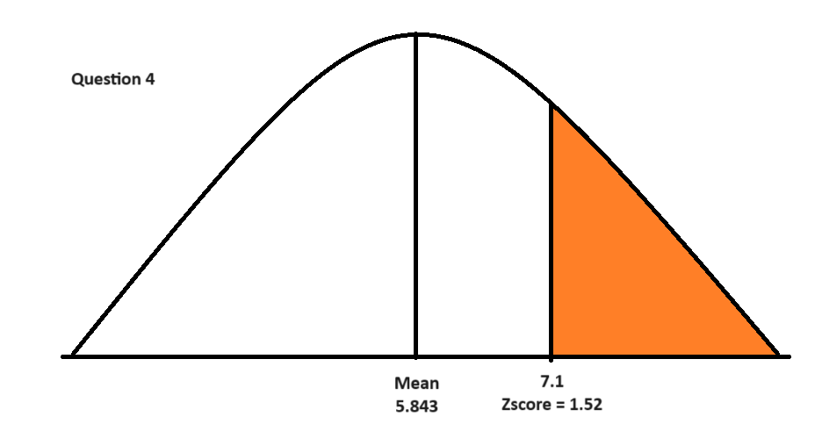
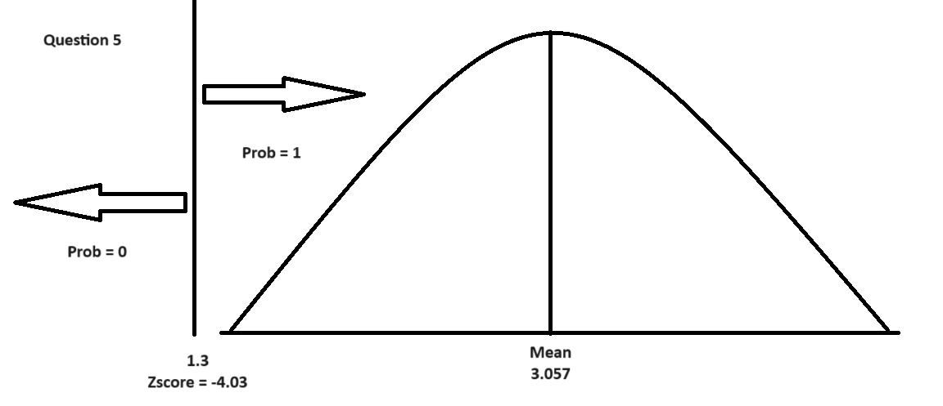
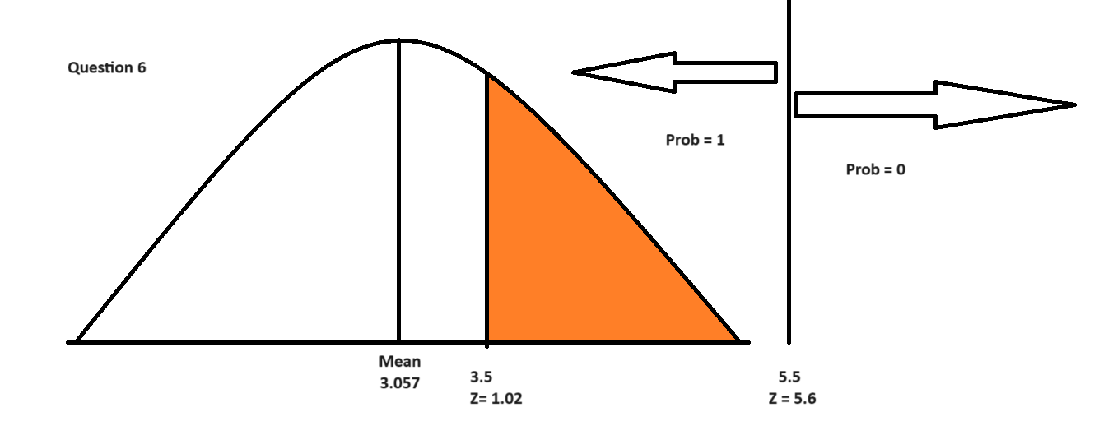
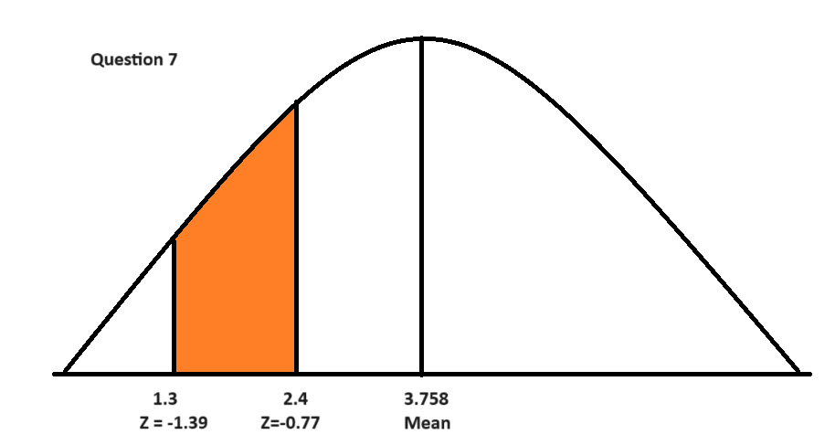
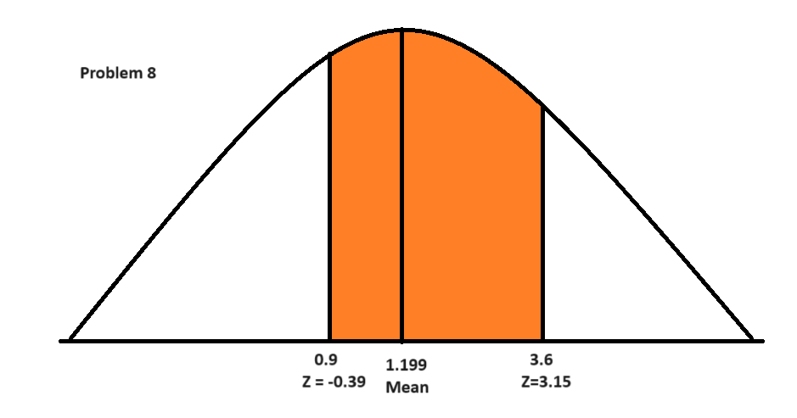
Sepal.Length | Sepal.Width | Petal.Length | Petal.Width | Species
5.1 | 3.5 | 1.4 | 0.2 | setosa
4.9 | 3 | 1.4 | 0.2 | setosa
4.7 | 3.2 | 1.3 | 0.2 | setosa
4.6 | 3.1 | 1.5 | 0.2 | setosa
5 | 3.6 | 1.4 | 0.2 | setosa
5.4 | 3.9 | 1.7 | 0.4 | setosa
4.6 | 3.4 | 1.4 | 0.3 | setosa
5 | 3.4 | 1.5 | 0.2 | setosa
4.4 | 2.9 | 1.4 | 0.2 | setosa
4.9 | 3.1 | 1.5 | 0.1 | setosa
5.4 | 3.7 | 1.5 | 0.2 | setosa
4.8 | 3.4 | 1.6 | 0.2 | setosa
4.8 | 3 | 1.4 | 0.1 | setosa
4.3 | 3 | 1.1 | 0.1 | setosa
5.8 | 4 | 1.2 | 0.2 | setosa
5.7 | 4.4 | 1.5 | 0.4 | setosa
5.4 | 3.9 | 1.3 | 0.4 | setosa
5.1 | 3.5 | 1.4 | 0.3 | setosa
5.7 | 3.8 | 1.7 | 0.3 | setosa
5.1 | 3.8 | 1.5 | 0.3 | setosa
5.4 | 3.4 | 1.7 | 0.2 | setosa
5.1 | 3.7 | 1.5 | 0.4 | setosa
4.6 | 3.6 | 1 | 0.2 | setosa
5.1 | 3.3 | 1.7 | 0.5 | setosa
4.8 | 3.4 | 1.9 | 0.2 | setosa
5 | 3 | 1.6 | 0.2 | setosa
5 | 3.4 | 1.6 | 0.4 | setosa
5.2 | 3.5 | 1.5 | 0.2 | setosa
5.2 | 3.4 | 1.4 | 0.2 | setosa
4.7 | 3.2 | 1.6 | 0.2 | setosa
4.8 | 3.1 | 1.6 | 0.2 | setosa
5.4 | 3.4 | 1.5 | 0.4 | setosa
5.2 | 4.1 | 1.5 | 0.1 | setosa
5.5 | 4.2 | 1.4 | 0.2 | setosa
4.9 | 3.1 | 1.5 | 0.2 | setosa
5 | 3.2 | 1.2 | 0.2 | setosa
5.5 | 3.5 | 1.3 | 0.2 | setosa
4.9 | 3.6 | 1.4 | 0.1 | setosa
4.4 | 3 | 1.3 | 0.2 | setosa
5.1 | 3.4 | 1.5 | 0.2 | setosa
5 | 3.5 | 1.3 | 0.3 | setosa
4.5 | 2.3 | 1.3 | 0.3 | setosa
4.4 | 3.2 | 1.3 | 0.2 | setosa
5 | 3.5 | 1.6 | 0.6 | setosa
5.1 | 3.8 | 1.9 | 0.4 | setosa
4.8 | 3 | 1.4 | 0.3 | setosa
5.1 | 3.8 | 1.6 | 0.2 | setosa
4.6 | 3.2 | 1.4 | 0.2 | setosa
5.3 | 3.7 | 1.5 | 0.2 | setosa
5 | 3.3 | 1.4 | 0.2 | setosa
7 | 3.2 | 4.7 | 1.4 | versicolor
6.4 | 3.2 | 4.5 | 1.5 | versicolor
6.9 | 3.1 | 4.9 | 1.5 | versicolor
5.5 | 2.3 | 4 | 1.3 | versicolor
6.5 | 2.8 | 4.6 | 1.5 | versicolor
5.7 | 2.8 | 4.5 | 1.3 | versicolor
6.3 | 3.3 | 4.7 | 1.6 | versicolor
4.9 | 2.4 | 3.3 | 1 | versicolor
6.6 | 2.9 | 4.6 | 1.3 | versicolor
5.2 | 2.7 | 3.9 | 1.4 | versicolor
5 | 2 | 3.5 | 1 | versicolor
5.9 | 3 | 4.2 | 1.5 | versicolor
6 | 2.2 | 4 | 1 | versicolor
6.1 | 2.9 | 4.7 | 1.4 | versicolor
5.6 | 2.9 | 3.6 | 1.3 | versicolor
6.7 | 3.1 | 4.4 | 1.4 | versicolor
5.6 | 3 | 4.5 | 1.5 | versicolor
5.8 | 2.7 | 4.1 | 1 | versicolor
6.2 | 2.2 | 4.5 | 1.5 | versicolor
5.6 | 2.5 | 3.9 | 1.1 | versicolor
5.9 | 3.2 | 4.8 | 1.8 | versicolor
6.1 | 2.8 | 4 | 1.3 | versicolor
6.3 | 2.5 | 4.9 | 1.5 | versicolor
6.1 | 2.8 | 4.7 | 1.2 | versicolor
6.4 | 2.9 | 4.3 | 1.3 | versicolor
6.6 | 3 | 4.4 | 1.4 | versicolor
6.8 | 2.8 | 4.8 | 1.4 | versicolor
6.7 | 3 | 5 | 1.7 | versicolor
6 | 2.9 | 4.5 | 1.5 | versicolor
5.7 | 2.6 | 3.5 | 1 | versicolor
5.5 | 2.4 | 3.8 | 1.1 | versicolor
5.5 | 2.4 | 3.7 | 1 | versicolor
5.8 | 2.7 | 3.9 | 1.2 | versicolor
6 | 2.7 | 5.1 | 1.6 | versicolor
5.4 | 3 | 4.5 | 1.5 | versicolor
6 | 3.4 | 4.5 | 1.6 | versicolor
6.7 | 3.1 | 4.7 | 1.5 | versicolor
6.3 | 2.3 | 4.4 | 1.3 | versicolor
5.6 | 3 | 4.1 | 1.3 | versicolor
5.5 | 2.5 | 4 | 1.3 | versicolor
5.5 | 2.6 | 4.4 | 1.2 | versicolor
6.1 | 3 | 4.6 | 1.4 | versicolor
5.8 | 2.6 | 4 | 1.2 | versicolor
5 | 2.3 | 3.3 | 1 | versicolor
5.6 | 2.7 | 4.2 | 1.3 | versicolor
5.7 | 3 | 4.2 | 1.2 | versicolor
5.7 | 2.9 | 4.2 | 1.3 | versicolor
6.2 | 2.9 | 4.3 | 1.3 | versicolor
5.1 | 2.5 | 3 | 1.1 | versicolor
5.7 | 2.8 | 4.1 | 1.3 | versicolor
6.3 | 3.3 | 6 | 2.5 | virginica
5.8 | 2.7 | 5.1 | 1.9 | virginica
7.1 | 3 | 5.9 | 2.1 | virginica
6.3 | 2.9 | 5.6 | 1.8 | virginica
6.5 | 3 | 5.8 | 2.2 | virginica
7.6 | 3 | 6.6 | 2.1 | virginica
4.9 | 2.5 | 4.5 | 1.7 | virginica
7.3 | 2.9 | 6.3 | 1.8 | virginica
6.7 | 2.5 | 5.8 | 1.8 | virginica
7.2 | 3.6 | 6.1 | 2.5 | virginica
6.5 | 3.2 | 5.1 | 2 | virginica
6.4 | 2.7 | 5.3 | 1.9 | virginica
6.8 | 3 | 5.5 | 2.1 | virginica
5.7 | 2.5 | 5 | 2 | virginica
5.8 | 2.8 | 5.1 | 2.4 | virginica
6.4 | 3.2 | 5.3 | 2.3 | virginica
6.5 | 3 | 5.5 | 1.8 | virginica
7.7 | 3.8 | 6.7 | 2.2 | virginica
7.7 | 2.6 | 6.9 | 2.3 | virginica
6 | 2.2 | 5 | 1.5 | virginica
6.9 | 3.2 | 5.7 | 2.3 | virginica
5.6 | 2.8 | 4.9 | 2 | virginica
7.7 | 2.8 | 6.7 | 2 | virginica
6.3 | 2.7 | 4.9 | 1.8 | virginica
6.7 | 3.3 | 5.7 | 2.1 | virginica
7.2 | 3.2 | 6 | 1.8 | virginica
6.2 | 2.8 | 4.8 | 1.8 | virginica
6.1 | 3 | 4.9 | 1.8 | virginica
6.4 | 2.8 | 5.6 | 2.1 | virginica
7.2 | 3 | 5.8 | 1.6 | virginica
7.4 | 2.8 | 6.1 | 1.9 | virginica
7.9 | 3.8 | 6.4 | 2 | virginica
6.4 | 2.8 | 5.6 | 2.2 | virginica
6.3 | 2.8 | 5.1 | 1.5 | virginica
6.1 | 2.6 | 5.6 | 1.4 | virginica
7.7 | 3 | 6.1 | 2.3 | virginica
6.3 | 3.4 | 5.6 | 2.4 | virginica
6.4 | 3.1 | 5.5 | 1.8 | virginica
6 | 3 | 4.8 | 1.8 | virginica
6.9 | 3.1 | 5.4 | 2.1 | virginica
6.7 | 3.1 | 5.6 | 2.4 | virginica
6.9 | 3.1 | 5.1 | 2.3 | virginica
5.8 | 2.7 | 5.1 | 1.9 | virginica
6.8 | 3.2 | 5.9 | 2.3 | virginica
6.7 | 3.3 | 5.7 | 2.5 | virginica
6.7 | 3 | 5.2 | 2.3 | virginica
6.3 | 2.5 | 5 | 1.9 | virginica
6.5 | 3 | 5.2 | 2 | virginica
6.2 | 3.4 | 5.4 | 2.3 | virginica
5.9 | 3 | 5.1 | 1.8 | virginica

Sepal.Length | Sepal.Width | Petal.Length | Petal.Width
5.843 | 3.057 | 3.758 | 1.199 | Average
0.828 | 0.436 | 1.765 | 0.762 | Stdev

 |  |  | Z-Score |  | Probability |  | Percentage | NORM.DIST
P(Sepal.Width <= 3.5) |  |  | 1.02 |  | 0.8461 |  | 84.61 | 0.8451 | =NORM.DIST(3.5, B154,B155,TRUE)
P(Petal.Width >= 0.5) |  |  | -0.92 |  | 0.8212 | = 1 - 0.1788 | 82.12 | 0.8206 | =1 - NORM.DIST(0.5,D154,D155,TRUE)
P(Petal.Length<=1.3) |  |  | -1.39 |  | 0.0823 |  | 8.23 | 0.0819 | =NORM.DIST(1.3,C154,C155,TRUE)
P(Sepal.Length>=7.1) |  |  | 1.52 |  | 0.0643 | =1- 0.9357 | 6.43 | 0.0646 | =1 - NORM.DIST(7.1,A154,A155,TRUE)
P(Sepal.Width <= 1.3) |  |  | -4.03 |  | 0.0000 |  | 0.00 | 0.0000 | =NORM.DIST(1.3,B154,B155,TRUE)
P(3.5 <= Sepal.Width <= 5.5) |  |  | 1.02 | 5.60 | 0.1539 | =1 - 0.8461 | 15.39 | 0.1549 | =NORM.DIST(5.5,B154,B155,TRUE) - NORM.DIST(3.5,B154,B155,TRUE)
P(1.3 <= Petal.Length <= 2.4) |  |  | -1.39 | -0.77 | 0.1383 | =0.2206 - 0.0823 | 13.83 | 0.1390 | =NORM.DIST(2.4,C154,C155,TRUE) - NORM.DIST(1.3,C154,C155,TRUE)
P(0.9 <= Petal.Width <=3.6 ) |  |  | -0.39 | 3.15 | 0.6509 | =0.9992 - 0.3483 | 65.09 | 0.3458 | =NORM.DIST(3.6,D154,D155,TRUE) - NORM.DIST(1.5,D154,D155,TRUE)

